Wheels
 |  |  | S = Standard Equipment A = Available -- (dashes) = Not Available D = ADI Available ■ = Included in Equipment Group □ = Included in Equipment Group but upgradeable * = Indicates availability of feature on multiple models.
Orderable RPO Code | Ref. Only RPO Code | Wheels | Description | Work Van CG33503 1WT | Work Van CG33803 1WT | Work Van CG33903 1WT | 4500 Van CG33803 2WT | 4500 Van CG33903 2WT
QT4 |  | 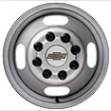 | Wheels, 6 - 16" x 6.5" (40.6 cm x 16.5 cm) 8-lug painted steel, heavy duty 1. Only available with (R05) dual rear wheel configuration. | A1 | A1 | S1 | S1 | S1
 | QB5 | 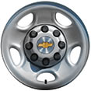 | Wheels, 4 - 16" x 6.5" (40.6 cm x 16.5 cm), 8-lug painted steel, heavy-duty 1. Only available with (R04) single rear wheel configuration. | S1 | S1 | -- | -- | --

